records
Sample Measurement Record
Mano Engineering LLC |  |  |  |  |  |  |  |  |  |  |  | Part No. 170126PP
No. | A | B | C | D | E | F | G | H | I | J | K
1 | 0.5175 | 3.2620 | 2.7585 | 0.91 | 0.533 | 1.496 | 1.125 | 2.3915 | 1.486 | 0.07025 | 0.075
2 | 0.5175 | 3.2675 | 2.752 | 0.8985 | 0.538 | 1.494 | 1.124 | 2.3915 | 1.487 | 0.07025 | 0.0695
3 | 0.5165 | 3.2715 | 2.7675 | 0.8995 | 0.5475 | 1.495 | 1.1215 | 2.3875 | 1.484 | 0.06045 | 0.068
4 | 0.5210 | 3.2720 | 2.75 | 0.894 | 0.55 | 1.496 | 1.125 | 2.39 | 1.494 | 0.0715 | 0.071
5 | 0.518 | 3.2690 | 2.7575 | 0.8935 | 0.544 | 1.495 | 1.1225 | 2.3915 | 1.485 | 0.072 | 0.0685

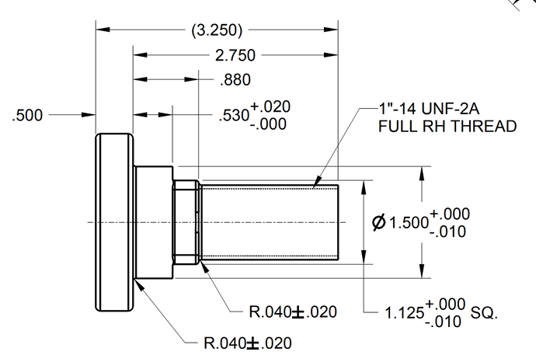
B
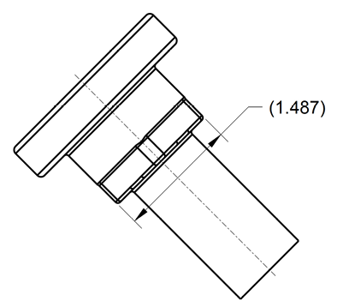
C
I

D

A
E
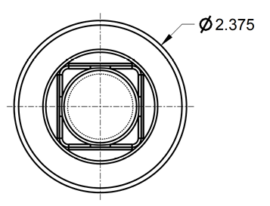
H

F

J
G
K

